FAI
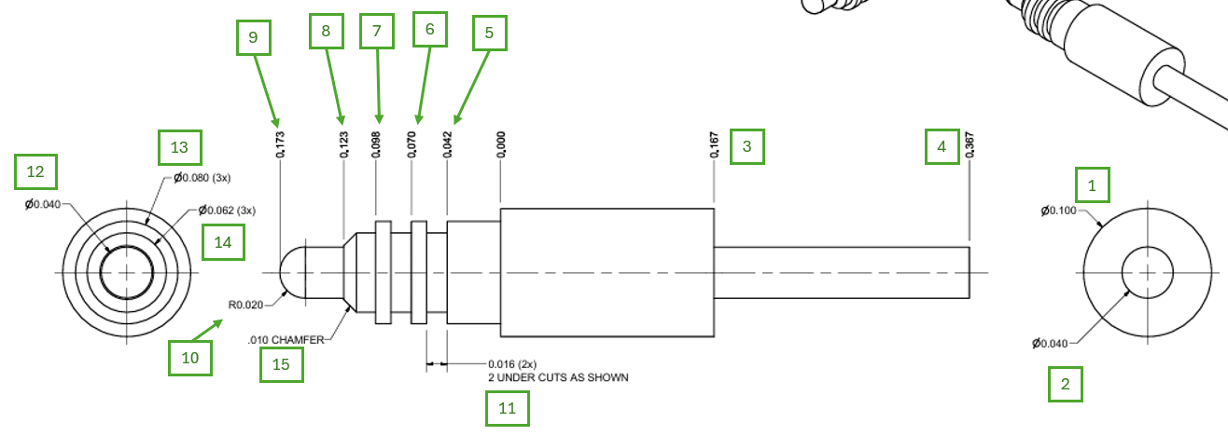

Customer |  | PO # |  | Date Prepared | 2026-04-15 | First Article Report
Part Name | Probe Pin .167" Collar 200" tail | Samples | 10 | Prepared by: | Meng
Part Number | 326-0196-003 | Inch or mm | Inch | Revision | C
FAI | Type (Diameter Length Position etc.) | Nominal | + Tolerance | - Tolerance | High Limit | Low Limit | Method | Mfg. Sample 1 | Mfg. Sample 2 | Mfg. Sample 3 | Mfg. Sample 4 | Mfg. Sample 5 | Mfg. Sample 6 | Mfg. Sample 7 | Mfg. Sample 8 | Mfg. Sample 9 | Mfg. Sample 10
1 | Diameter | 0.100 | 0.005 | 0.005 | 0.105 | 0.095 | Micrometer | 0.1002 | 0.1002 | 0.1003 | 0.1003 | 0.1002 | 0.1002 | 0.1003 | 0.1003 | 0.1002 | 0.1002
2 | Diameter | 0.040 | 0.005 | 0.005 | 0.045 | 0.035 | Micrometer | 0.0401 | 0.0401 | 0.0402 | 0.0403 | 0.0401 | 0.0401 | 0.0401 | 0.0402 | 0.0402 | 0.0401
3 | Length | 0.167 | 0.005 | 0.005 | 0.172 | 0.162 | VMM
4 | Length | 0.367 | 0.005 | 0.005 | 0.372 | 0.362 | VMM
5 | Length | 0.042 | 0.005 | 0.005 | 0.047 | 0.037 | VMM
6 | Length | 0.070 | 0.005 | 0.005 | 0.075 | 0.065 | VMM
7 | Length | 0.098 | 0.005 | 0.005 | 0.103 | 0.093 | VMM
8 | Length | 0.123 | 0.005 | 0.005 | 0.128 | 0.118 | VMM
9 | Length | 0.173 | 0.005 | 0.005 | 0.178 | 0.168 | VMM
10 | Radius | 0.020 | 0.005 | 0.005 | 0.025 | 0.015 | VMM
11 | Length | 0.016 | 0.005 | 0.005 | 0.021 | 0.011 | VMM
12 | Diameter | 0.040 | 0.005 | 0.005 | 0.045 | 0.035 | Micrometer
13 | Diameter | 0.080 | 0.005 | 0.005 | 0.085 | 0.075 | Micrometer
14 | Diameter | 0.062 | 0.005 | 0.005 | 0.067 | 0.057 | VMM
15 | Length | 0.010 | 0.005 | 0.005 | 0.015 | 0.005 | VMM

Print Page 1
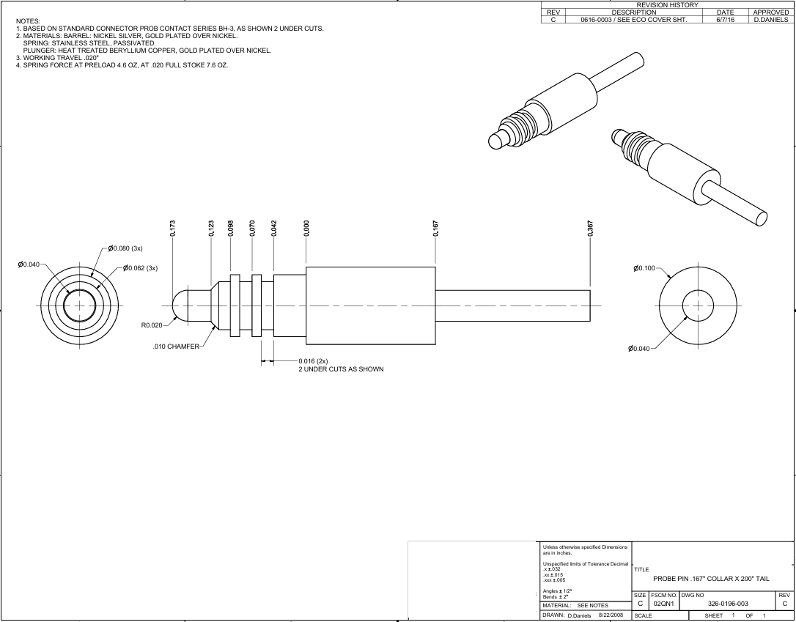

9
7
8
6
5

3
4
13
12
1

14

10
15
2
11

Tolerance Table
